Feuille 1
Famille | Nomenclature | Type | Nb estimé | Lien
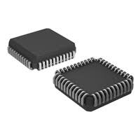 Microcontrollers | UM621024C-70LL | 128K x8 CMOS SRAM | 13 | http://pdf.datasheetcatalog.com/datasheets2/71/719975_1.pdf
 | TSR 1-2450 | DC/DC Step-Down Converter | 9 | https://www.tracopower.com/products/tsr1.pdf
 | MACH131-15JC | High-Performance EE CMOS Programmable Logic | 14 | https://www.digchip.com/datasheets/download_datasheet.php?id=600625&part-number=MACH231-10JC%2F1
 | MACH231-10 | High-Performance EE CMOS Programmable Logic | 2 | http://noel.feld.cvut.cz/hw/amd/19603c.pdf
 | MC68HC11F1CFN2 | 8-Bit Microcontroller | 1 | https://www.nxp.com/docs/en/data-sheet/MC68HC11FTS.pdf
 | MC68HC811E2CFN2 | Microcontroller | 1 | http://pdf.datasheetcatalog.com/datasheet_pdf/motorola/MC68HC711E20CFN2_to_MC68HC811E2VP2.pdf
 | M4A5-32/32 | High Performance E²CMOS In-System Programmable Logic | 3 | https://www.mouser.fr/datasheet/2/225/ispMACH4ADataSheetvL-515092.pdf

